6-8-2022-FormattedReport
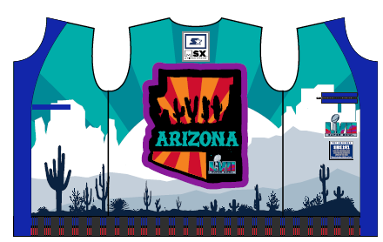
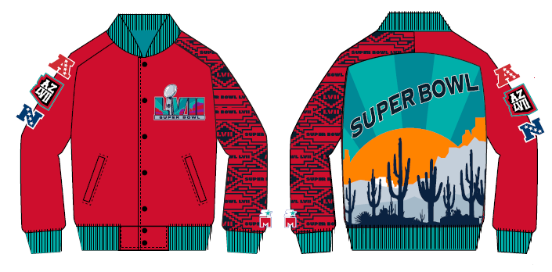
SUPER BOWL 57 STARTER x MSX
 |  |  | UPDATED AS OF 1/31

 | 3p
STYLE |  | DESCRIPTION |  |  |  |  |  |  |  | SYEAR | ORIGINAL_SEASON | LEAGUE |  |  | List Price
LS390268 |  | MN VARSITY SATIN JKT |  |  |  |  |  |  |  | Y | S23 | 9: SUPER BOWL |  |  | $110.00
TEAM |  | SIZE SCALE |  |  |  |  |  |  |  |  |  |  |  |  | ON HAND
 |  | XS | S | M | L | XL | XXL | XXX | 4XL | 5XL | 6XL | AST | XLS
 | SBW: SUPER BOWL |  |  | 0 | 1 | 0 | 2 | 0 |  |  |  |  |  |  | 3
 |  |  |  |  |  |  |  |  |  |  |  |  |  |  | 0
TOTAL : |  |  |  | 0 | 1 | 0 | 2 | 0 |  |  |  |  |  |  | 3
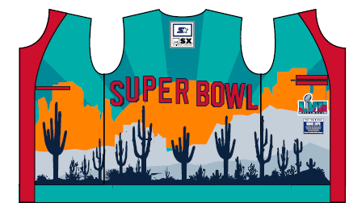

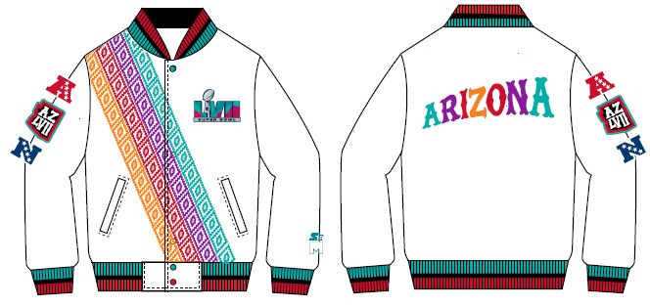
 | 3p
STYLE |  | DESCRIPTION |  |  |  |  |  |  |  | SYEAR | ORIGINAL_SEASON | LEAGUE |  |  | List Price
LS390270 |  | MN VARSITY SATIN JKT |  |  |  |  |  |  |  | Y | S23 | 9: SUPER BOWL |  |  | $135.00
TEAM |  | SIZE SCALE |  |  |  |  |  |  |  |  |  |  |  |  | ON HAND
 |  | XS | S | M | L | XL | XXL | XXX | 4XL | 5XL | 6XL | AST | XLS
 | SBW: SUPER BOWL |  |  | 0 | 38 | 42 | 17 |  |  |  |  |  |  |  | 97
 |  |  |  |  |  |  |  |  |  |  |  |  |  |  | 0
TOTAL : |  |  |  | 0 | 38 | 42 | 17 |  |  |  |  |  |  |  | 97

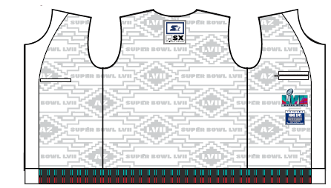

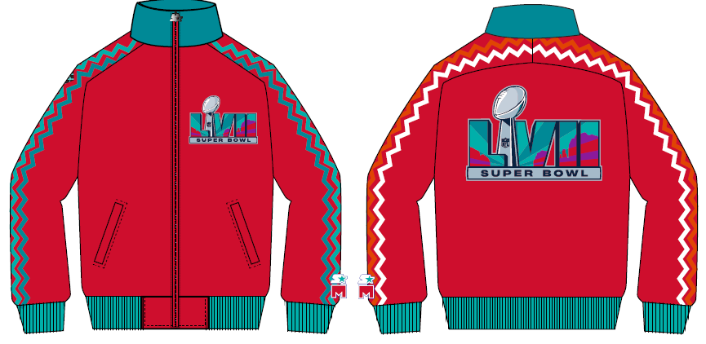
 | dj
STYLE |  | DESCRIPTION |  |  |  |  |  |  |  | SYEAR | ORIGINAL_SEASON | LEAGUE |  |  | List Price
LS390271 |  | MN TRACK JKT |  |  |  |  |  |  |  | Y | S23 | 9: SUPER BOWL |  |  | $90.00
TEAM |  | SIZE SCALE |  |  |  |  |  |  |  |  |  |  |  |  | ON HAND
 |  | XS | S | M | L | XL | XXL | XXX | 4XL | 5XL | 6XL | AST | XLS
 | SBW: SUPER BOWL |  |  | 21 | 52 | 46 | 17 | 0 | 0 | 0 | 0 | 0 | 0 |  | 136
 |  |  |  |  |  |  |  |  |  |  |  |  |  |  | 0
TOTAL : |  |  |  | 21 | 52 | 46 | 17 | 0 | 0 |  | 0 | 0 | 0 | 0 | 136

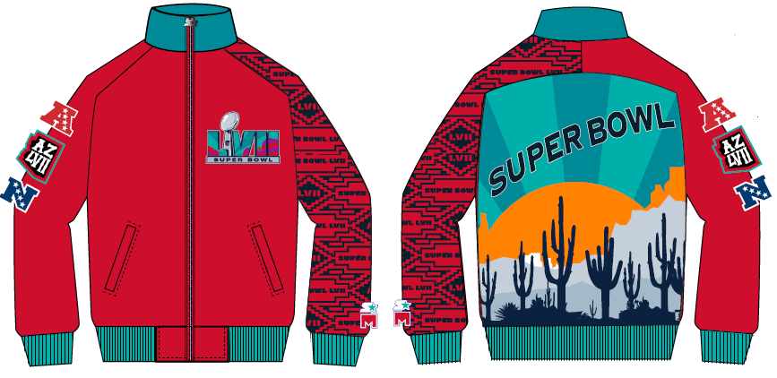

 | dj
STYLE |  | DESCRIPTION |  |  |  |  |  |  |  | SYEAR | ORIGINAL_SEASON | LEAGUE |  |  | List Price
LS390272 |  | MN TRACK JKT |  |  |  |  |  |  |  | Y | S23 | 9: SUPER BOWL |  |  | $80.00
TEAM |  | SIZE SCALE |  |  |  |  |  |  |  |  |  |  |  |  | ON HAND
 |  | XS | S | M | L | XL | XXL | XXX | 4XL | 5XL | 6XL | AST | XLS
 | SBW: SUPER BOWL |  |  | 39 | 87 | 77 | 35 |  |  |  |  |  |  |  | 238
 |  |  |  |  |  |  |  |  |  |  |  |  |  |  | 0
TOTAL : |  |  |  | 39 | 87 | 77 | 35 |  |  |  |  |  |  |  | 238

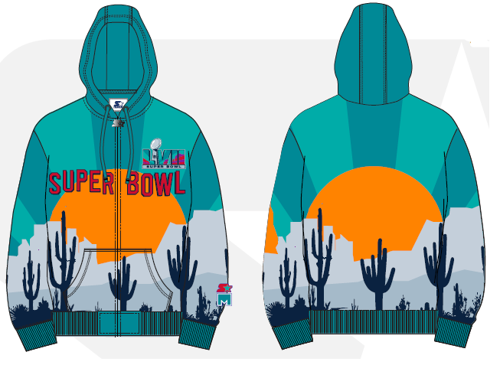

 | 3p
STYLE |  | DESCRIPTION |  |  |  |  |  |  |  | SYEAR | ORIGINAL_SEASON | LEAGUE |  |  | List Price
LS390280 |  | FULL ZIP HOODY |  |  |  |  |  |  |  | Y | S23 | 9: SUPER BOWL |  |  | $125.00
TEAM |  | SIZE SCALE |  |  |  |  |  |  |  |  |  |  |  |  | ON HAND
 |  | XS | S | M | L | XL | XXL | XXX | 4XL | 5XL | 6XL | AST | XLS
 | SBW: SUPER BOWL |  |  |  | 20 | 24 | 8 |  |  |  |  |  |  |  | 52
 |  |  |  |  |  |  |  |  |  |  |  |  |  |  | 0
TOTAL : |  |  |  | 0 | 20 | 24 | 8 |  |  |  |  |  |  |  | 52

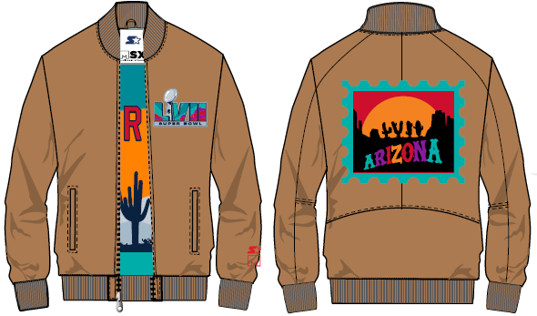

 | 3p
STYLE |  | DESCRIPTION |  |  |  |  |  |  |  | SYEAR | ORIGINAL_SEASON | LEAGUE |  |  | List Price
LS390278 |  | COTTON CANVAS FULL ZIP |  |  |  |  |  |  |  | Y | S23 | 9: SUPER BOWL |  |  | $155.00
TEAM |  | SIZE SCALE |  |  |  |  |  |  |  |  |  |  |  |  | ON HAND
 |  | XS | S | M | L | XL | XXL | XXX | 4XL | 5XL | 6XL | AST | XLS
 | SBW: SUPER BOWL |  |  | 24 | 70 | 71 | 34 |  |  |  |  |  |  |  | 199
 |  |  |  |  |  |  |  |  |  |  |  |  |  |  | 0
TOTAL : |  |  |  | 24 | 70 | 71 | 34 |  |  |  |  |  |  |  | 199

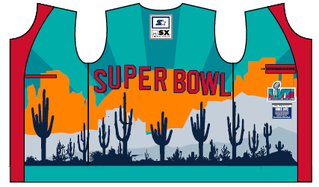

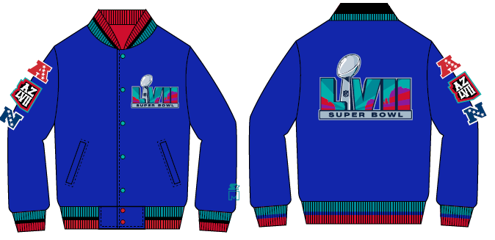
 | 3p
STYLE |  | DESCRIPTION |  |  |  |  |  |  |  | SYEAR | ORIGINAL_SEASON | LEAGUE |  |  | List Price
LS390269 |  | LEATHER VARSITY JKT |  |  |  |  |  |  |  | Y | S23 | 9: SUPER BOWL |  |  | $290.00
TEAM |  | SIZE SCALE |  |  |  |  |  |  |  |  |  |  |  |  | ON HAND
 |  | XS | S | M | L | XL | XXL | XXX | 4XL | 5XL | 6XL | AST | XLS
 | SBW: SUPER BOWL |  |  | 6 | 23 | 22 | 5 |  |  |  |  |  |  |  | 56
 |  |  |  |  |  |  |  |  |  |  |  |  |  |  | 0
TOTAL : |  |  |  | 6 | 23 | 22 | 5 |  |  |  |  |  |  |  | 56

